Conceptual Model
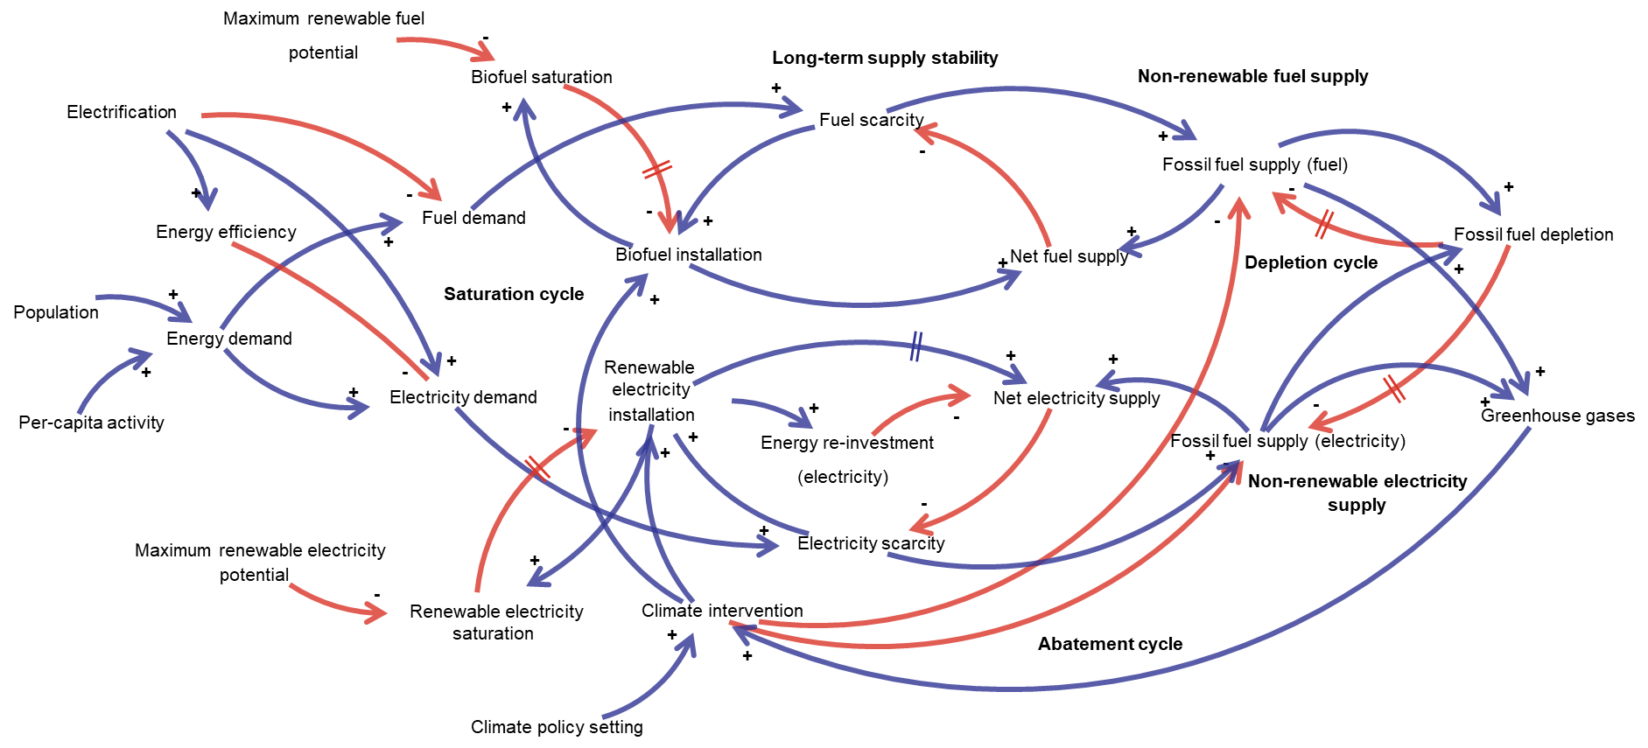
For an interactive version of this conceptual model, please go to:
https://kumu.io/JamesWard/grease

Front End
Climate Targets
 | 1.5C | RCP2.6 | RCP4.5 | RCP6.0 | model
 | 11.5 | 0.0 | 0.0 | 0.0 | 9.9
 | 67.2 | 24.3 | 22.5 | -10.3 | 118.2
 | 88.2 | 61.8 | 75.5 | -14.0 | 232.8
 | 89.7 | 98.9 | 148.7 | -2.9 | 307.0
 | 89.7 | 121.9 | 227.9 | 34.3 | 326.8
 | 89.7 | 129.6 | 302.8 | 108.4 | 328.0
 | 89.7 | 128.0 | 360.9 | 220.8 | 328.0
 | 89.7 | 121.5 | 409.3 | 336.9 | 328.0
 | 89.7 | 112.5 | 460.3 | 435.2 | 328.0
Population
 | Population
2023 | 8,056,505,564
2024 | 8,126,964,296
2025 | 8,196,980,849
2026 | 8,266,245,291
2027 | 8,335,111,500
2028 | 8,403,077,189
2029 | 8,470,160,584
2030 | 8,536,410,062
2031 | 8,601,839,760
2032 | 8,666,398,907
2033 | 8,730,060,717
2034 | 8,792,837,445
2035 | 8,854,732,372
2036 | 8,915,687,990
2037 | 8,975,685,239
2038 | 9,034,620,009
2039 | 9,092,525,843
2040 | 9,149,330,917
2041 | 9,205,049,488
2042 | 9,259,513,662
2043 | 9,312,707,079
2044 | 9,364,615,549
2045 | 9,415,131,838
2046 | 9,464,147,498
2047 | 9,511,631,710
2048 | 9,557,460,245
2049 | 9,601,611,841
2050 | 9,644,036,216
2051 | 9,684,720,958
2052 | 9,723,663,649
2053 | 9,760,865,381
2054 | 9,796,363,847
2055 | 9,830,139,471
2056 | 9,862,335,670
2057 | 9,893,025,114
2058 | 9,922,249,272
2059 | 9,950,079,486
2060 | 9,976,594,679
2061 | 10,001,869,905
2062 | 10,025,962,521
2063 | 10,048,970,678
2064 | 10,070,929,392
2065 | 10,091,876,081
2066 | 10,111,823,041
2067 | 10,130,811,174
2068 | 10,148,805,547
2069 | 10,165,798,334
2070 | 10,181,765,935
2071 | 10,196,717,983
2072 | 10,210,645,154
...
Per-capita activity
 | Per-capita energy
2023 | 46.52
2024 | 46.43
2025 | 46.33
2026 | 46.23
2027 | 46.11
2028 | 45.99
2029 | 45.85
2030 | 45.71
2031 | 45.55
2032 | 45.38
2033 | 45.20
2034 | 45.00
2035 | 44.80
2036 | 44.58
2037 | 44.34
2038 | 44.09
2039 | 43.83
2040 | 43.56
2041 | 43.27
2042 | 42.96
2043 | 42.64
2044 | 42.31
2045 | 41.97
2046 | 41.61
2047 | 41.24
2048 | 40.85
2049 | 40.46
2050 | 40.05
2051 | 39.63
2052 | 39.21
2053 | 38.77
2054 | 38.33
2055 | 37.88
2056 | 37.42
2057 | 36.96
2058 | 36.50
2059 | 36.03
2060 | 35.57
2061 | 35.10
2062 | 34.64
2063 | 34.17
2064 | 33.71
2065 | 33.26
2066 | 32.81
2067 | 32.36
2068 | 31.93
2069 | 31.50
2070 | 31.09
2071 | 30.68
2072 | 30.28
...

Electrification scenario - total demand (EJ/yr)
 | Fuel Supply | Electricity supply | Fuel demand | Electricity demand
 | 272.49 | 93.87 | 289.12 | 374.77
 | 310.65 | 81.23 | 281.22 | 376.54
 | 248.40 | 94.30 | 273.12 | 377.97
 | 263.36 | 104.42 | 264.80 | 379.03
 | 242.38 | 115.78 | 256.29 | 379.73
 | 246.14 | 121.63 | 247.57 | 380.05
 | 224.67 | 131.08 | 238.65 | 379.97
 | 225.81 | 136.82 | 229.55 | 379.49
 | 211.25 | 144.35 | 220.26 | 378.60
 | 201.42 | 151.44 | 210.80 | 377.30
 | 190.46 | 158.03 | 201.18 | 375.58
 | 179.92 | 164.09 | 191.40 | 373.43
 | 169.31 | 169.80 | 181.48 | 370.86
 | 161.79 | 174.47 | 171.43 | 367.86
 | 154.23 | 178.73 | 161.27 | 364.42
 | 144.61 | 183.32 | 151.00 | 360.56
 | 134.70 | 187.92 | 140.64 | 356.26
 | 124.93 | 192.22 | 130.20 | 351.54
 | 115.40 | 196.16 | 119.70 | 346.39
 | 106.16 | 199.72 | 109.15 | 340.83
 | 97.21 | 202.90 | 98.58 | 334.85
 | 88.55 | 205.69 | 87.99 | 328.47
 | 80.15 | 208.12 | 77.40 | 321.70
 | 71.98 | 210.24 | 66.84 | 314.54
 | 63.97 | 212.20 | 56.31 | 307.02
 | 55.94 | 214.18 | 45.84 | 299.14
 | 47.55 | 216.42 | 35.44 | 290.92
 | 38.42 | 219.20 | 35.24 | 289.27
 | 37.35 | 221.45 | 35.02 | 287.46
 | 36.57 | 223.04 | 34.79 | 285.51
 | 35.98 | 224.68 | 34.53 | 283.42
 | 35.50 | 226.73 | 34.26 | 281.21
 | 35.08 | 229.15 | 33.98 | 278.87
 | 34.71 | 231.61 | 33.68 | 276.42
 | 34.36 | 233.66 | 33.37 | 273.87
 | 34.03 | 234.92 | 33.05 | 271.24
 | 33.69 | 235.13 | 32.72 | 268.53
 | 33.36 | 234.29 | 32.38 | 265.76
 | 33.02 | 232.64 | 32.04 | 262.94
 | 32.68 | 230.54 | 31.69 | 260.07
 | 32.34 | 228.32 | 31.33 | 257.19
 | 31.99 | 226.18 | 30.98 | 254.28
 | 31.63 | 224.12 | 30.63 | 251.37
 | 31.28 | 222.02 | 30.27 | 248.46
 | 30.92 | 219.73 | 29.92 | 245.57
 | 30.56 | 217.22 | 29.57 | 242.70
 | 30.21 | 214.55 | 29.22 | 239.86
 | 29.85 | 211.89 | 28.88 | 237.05
 | 29.50 | 209.35 | 28.55 | 234.29
 | 29.15 | 206.99 | 28.22 | 231.59
...

Energy Demand by Source (EJ/yr)
 | Coal | Oil | Gas | Renewable Fuel | Renewable Electricity | Nuclear | Demand
2023 | 64.51 | 150.43 | 74.02 | 39.30 | 28.40 | 9.70 | 374.77
2024 | 75.88 | 158.78 | 80.77 | 39.99 | 27.69 | 8.77 | 376.54
2025 | 57.34 | 141.76 | 68.82 | 38.73 | 25.99 | 10.06 | 377.97
2026 | 61.07 | 152.59 | 73.73 | 39.80 | 29.52 | 11.07 | 379.03
2027 | 53.84 | 150.62 | 70.32 | 39.87 | 31.49 | 12.01 | 379.73
2028 | 54.79 | 154.56 | 71.67 | 40.52 | 33.50 | 12.73 | 380.05
2029 | 50.14 | 150.09 | 66.40 | 40.59 | 34.79 | 13.74 | 379.97
2030 | 51.98 | 151.79 | 66.05 | 41.30 | 36.84 | 14.68 | 379.49
2031 | 54.27 | 145.97 | 59.47 | 41.49 | 38.53 | 15.87 | 378.60
2032 | 56.31 | 142.16 | 54.45 | 41.99 | 40.80 | 17.15 | 377.30
2033 | 58.11 | 137.37 | 48.82 | 42.53 | 43.14 | 18.51 | 375.58
2034 | 59.71 | 132.28 | 43.21 | 43.18 | 45.63 | 19.99 | 373.43
2035 | 61.15 | 126.67 | 37.47 | 43.92 | 48.32 | 21.58 | 370.86
2036 | 62.41 | 120.62 | 33.94 | 44.74 | 51.26 | 23.30 | 367.86
2037 | 63.65 | 112.32 | 31.94 | 45.44 | 54.43 | 25.19 | 364.42
2038 | 64.86 | 102.11 | 29.72 | 45.98 | 58.02 | 27.24 | 360.56
2039 | 65.81 | 91.61 | 27.26 | 46.51 | 62.10 | 29.33 | 356.26
2040 | 66.38 | 81.22 | 24.63 | 47.03 | 66.56 | 31.33 | 351.54
2041 | 66.51 | 71.08 | 21.92 | 47.53 | 71.39 | 33.13 | 346.39
2042 | 66.19 | 61.27 | 19.23 | 47.98 | 76.61 | 34.61 | 340.83
2043 | 65.42 | 51.84 | 16.65 | 48.32 | 82.26 | 35.61 | 334.85
2044 | 64.21 | 42.88 | 14.25 | 48.50 | 88.41 | 36.00 | 328.47
2045 | 62.57 | 34.44 | 12.06 | 48.42 | 95.10 | 35.68 | 321.70
2046 | 60.54 | 26.61 | 10.11 | 47.97 | 102.41 | 34.58 | 314.54
2047 | 58.13 | 19.48 | 8.41 | 47.01 | 110.42 | 32.72 | 307.02
2048 | 55.35 | 13.13 | 6.93 | 45.32 | 119.22 | 30.17 | 299.14
2049 | 52.20 | 7.58 | 5.66 | 42.59 | 128.88 | 27.07 | 290.92
2050 | 48.67 | 2.93 | 4.58 | 38.42 | 139.42 | 23.61 | 289.27
2051 | 44.31 | 2.58 | 3.62 | 37.35 | 151.15 | 19.80 | 287.46
2052 | 39.45 | 2.22 | 2.81 | 36.57 | 162.52 | 16.03 | 285.51
2053 | 34.43 | 1.89 | 2.14 | 35.98 | 173.62 | 12.60 | 283.42
2054 | 29.43 | 1.57 | 1.60 | 35.50 | 184.49 | 9.63 | 281.21
2055 | 24.61 | 1.29 | 1.17 | 35.08 | 194.90 | 7.17 | 278.87
2056 | 20.10 | 1.03 | 0.84 | 34.71 | 204.43 | 5.21 | 276.42
2057 | 16.03 | 0.81 | 0.59 | 34.36 | 212.55 | 3.69 | 273.87
2058 | 12.49 | 0.62 | 0.40 | 34.03 | 218.85 | 2.56 | 271.24
2059 | 9.54 | 0.47 | 0.27 | 33.69 | 223.11 | 1.74 | 268.53
2060 | 7.17 | 0.35 | 0.18 | 33.36 | 225.42 | 1.17 | 265.76
2061 | 5.33 | 0.25 | 0.12 | 33.02 | 226.16 | 0.78 | 262.94
2062 | 3.94 | 0.18 | 0.08 | 32.68 | 225.82 | 0.52 | 260.07
2063 | 2.89 | 0.13 | 0.05 | 32.34 | 224.90 | 0.34 | 257.19
2064 | 2.11 | 0.10 | 0.03 | 31.99 | 223.72 | 0.23 | 254.28
2065 | 1.53 | 0.07 | 0.02 | 31.63 | 222.35 | 0.15 | 251.37
2066 | 1.11 | 0.05 | 0.01 | 31.28 | 220.75 | 0.10 | 248.46
2067 | 0.80 | 0.04 | 0.01 | 30.92 | 218.83 | 0.06 | 245.57
2068 | 0.57 | 0.02 | 0.01 | 30.56 | 216.58 | 0.04 | 242.70
2069 | 0.41 | 0.02 | 0.00 | 30.21 | 214.10 | 0.03 | 239.86
2070 | 0.29 | 0.01 | 0.00 | 29.85 | 211.57 | 0.02 | 237.05
2071 | 0.21 | 0.01 | 0.00 | 29.50 | 209.13 | 0.01 | 234.29
2072 | 0.15 | 0.01 | 0.00 | 29.15 | 206.83 | 0.01 | 231.59
...

